Rajasthan
 |  |  |  |  |  |  |  |  |  |  |  |  |  | URGENCY
RTOs | FY 2022-23 | FY 2023-24 | FY 2024-25 | FY 2025-26 | TOTAL EVs REGISTERED (FY 2022-26) | VEHICLE REGISTRATIONS (All types) (FY 2022-26) | EV PENETRATION (%ge) | EV ADOPTION SCORE (/5) | NO. OF TRANSACTIONS | TRANSACTION %ge | TRANSACTION SCORE (/5) | %ge vehicle registrations RTO wise | VEHICLE REG. SCORE (/5) | TRANSIT (/5) | TOURISM (/5) | ADMINISTRATIVE IMP. (/5) | GEOGRAPHIC LIMITATIONS (/5) | CAPACITY (/10) | URGENCY SCORE (/10) | PRIORITY (Very high, high, low, very low) | DECISION |  | No.of Vehicle Registrations (FY 2022-present) | No. of Transactions | Permits Issued | Permits Issued
ABU ROAD DTO - RJ38( 07-JAN-2019 ) | 540 | 650 | 780 | 910 | 2880 | 102008 | 2.8233079758 | 0.97 | 445181 | 0.54 | 0.27 | 0.44 | 0.15 | 4 | 5 | 3 | 3 | 1.0874240703 | 7.62 | Very high | yes |  | 102008 | 445181 | 8527 | 8527
AJMER RTO - RJ1( 13-APR-2017 ) | 5081 | 4662 | 4404 | 3673 | 17820 | 616295 | 2.891472428 | 1 | 2666374 | 3.23 | 1.62 | 2.63 | 0.92 | 5 | 5 | 4 | 2 | 2.1898292257 | 8.32 | Very high | yes |  | 616295 | 2666374 | 42996 | 42996
ALWAR RTO - RJ2( 19-APR-2018 ) | 5711 | 4583 | 4812 | 4136 | 19242 | 1065424 | 1.8060415384 | 0.62 | 3599726 | 4.36 | 2.18 | 4.55 | 1.59 | 5 | 3 | 4 | 2 | 2.5427013906 | 7.24 | Very high | yes |  | 1065424 | 35,99,726 | 22,893 | 22893
BALOTRA DTO - RJ39( 17-JUL-2019 ) | 480 | 590 | 710 | 840 | 2620 | 187704 | 1.395814687 | 0.48 | 657072 | 0.80 | 0.40 | 0.80 | 0.28 | 3 | 2 | 3 | 4 | 0.78721384077 | 5.84 | Very low |  |  | 1,87,704 | 6,57,072 | 7,437 | 7437
BANSWARA DTO - RJ3( 03-MAY-2018 ) | 890 | 1085 | 1280 | 1505 | 4760 | 501474 | 0.94920175323 | 0.33 | 1261924 | 1.53 | 0.77 | 2.14 | 0.75 | 2 | 2 | 2 | 3 | 1.126206783 | 4.38 | low |  |  | 5,01,474 | 12,61,924 | 10,048 | 10048
BARAN DTO - RJ28( 09-JAN-2018 ) | 760 | 930 | 1100 | 1270 | 4060 | 379795 | 1.0689977488 | 0.37 | 1184283 | 1.43 | 0.72 | 1.62 | 0.57 | 2 | 2 | 2 | 3 | 1.0164817867 | 4.38 | low |  |  | 3,79,795 | 11,84,283 | 11,852 | 11852
BARMER DTO - RJ4( 22-DEC-2017 ) | 980 | 1200 | 1420 | 1650 | 5250 | 345348 | 1.5202057055 | 0.52 | 1270297 | 1.54 | 0.77 | 1.47 | 0.51 | 4 | 2 | 3 | 5 | 1.1364401695 | 6.76 | Very high | yes |  | 3,45,348 | 12,70,297 | 14,766 | 14766
BEAWAR DTO - RJ36( 24-NOV-2017 ) | 1100 | 1340 | 1580 | 1830 | 5850 | 251803 | 2.3232447588 | 0.8 | 1011161 | 1.22 | 0.61 | 1.08 | 0.38 | 4 | 2 | 3 | 2 | 1.2279984253 | 5.62 | Very high | yes |  | 2,51,803 | 10,11,161 | 5,334 | 5334
BHARATPUR RTO - RJ5( 12-JUL-2017 ) | 2100 | 2480 | 2850 | 3200 | 10630 | 560282 | 1.8972588803 | 0.65 | 1900055 | 2.30 | 1.15 | 2.39 | 0.83 | 4 | 4 | 4 | 2 | 1.630418074 | 7.24 | Very high | yes |  | 5,60,282 | 19,00,055 | 32,256 | 32256
BHILWARA DTO - RJ6( 28-JUN-2017 ) | 2650 | 2727 | 3711 | 4096 | 13184 | 708614 | 1.8605333792 | 0.64 | 2467590 | 2.99 | 1.50 | 3.03 | 1.06 | 4 | 2 | 4 | 2 | 1.9138443353 | 6.16 | Very high | yes |  | 7,08,614 | 24,67,590 | 16,110 | 16110
BHINMAL DTO - RJ46( 23-JUL-2019 ) | 620 | 760 | 920 | 1100 | 3400 | 209882 | 1.6199578811 | 0.56 | 598846 | 0.73 | 0.36 | 0.90 | 0.31 | 2 | 1 | 2 | 3 | 0.86820688986 | 3.84 | Very low |  |  | 2,09,882 | 5,98,846 | 4,267 | 4267
BHIWARI DTO - RJ40( 06-FEB-2018 ) | 3200 | 3700 | 4200 | 4700 | 15800 | 162400 | 9.7290640394 | 3.35 | 604965 | 0.73 | 0.37 | 0.69 | 0.24 | 5 | 2 | 4 | 2 | 3.3311807025 | 6.7 | low |  |  | 1,62,400 | 6,04,965 | 4,118 | 4118
BIKANER RTO - RJ7( 02-MAY-2017 ) | 2517 | 2700 | 4009 | 4486 | 13712 | 638480 | 2.1476005513 | 0.74 | 2662264 | 3.23 | 1.62 | 2.73 | 0.95 | 5 | 3 | 4 | 3 | 1.9779648331 | 7.62 | Very high | yes |  | 6,38,480 | 26,62,264 | 60,274 | 60274
BUNDI DTO - RJ8( 19-DEC-2017 ) | 840 | 1020 | 1200 | 1380 | 4440 | 367333 | 1.2087125306 | 0.42 | 1170410 | 1.42 | 0.71 | 1.57 | 0.55 | 3 | 3 | 2 | 3 | 1.0451198396 | 5.46 | Very high | yes |  | 3,67,333 | 11,70,410 | 8,907 | 8907
CHITTORGARH RTO - RJ9( 08-NOV-2017 ) | 1250 | 1520 | 1790 | 2050 | 6610 | 633091 | 1.0440837099 | 0.36 | 2648036 | 3.21 | 1.61 | 2.70 | 0.94 | 4 | 4 | 3 | 2 | 1.6268920242 | 6.7 | Very high | yes |  | 6,33,091 | 26,48,036 | 50,822 | 50822
CHOMU DTO - RJ41( 20-SEP-2017 ) | 720 | 880 | 1040 | 1200 | 3840 | 184984 | 2.0758552091 | 0.71 | 759028 | 0.92 | 0.46 | 0.79 | 0.28 | 3 | 2 | 3 | 2 | 1.0161247675 | 5.08 | Very high | yes |  | 1,84,984 | 7,59,028 | 12,295 | 12295
CHURU DTO - RJ10( 25-JAN-2018 ) | 1700 | 2050 | 2400 | 2750 | 8900 | 305580 | 2.9124942732 | 1 | 1237305 | 1.50 | 0.75 | 1.30 | 0.46 | 3 | 2 | 3 | 3 | 1.5189645008 | 5.46 | Very high | yes |  | 3,05,580 | 12,37,305 | 15,937 | 15937
DAUSA RTO - RJ29( 20-SEP-2017 ) | 1300 | 1580 | 1850 | 2120 | 6850 | 451457 | 1.5173095112 | 0.52 | 1661332 | 2.01 | 1.01 | 1.93 | 0.67 | 3 | 2 | 3 | 2 | 1.3419979788 | 5.08 | Very high | yes |  | 4,51,457 | 16,61,332 | 41,262 | 41262
DEEG DTO - RJ63( 24-JAN-2026 ) | 0 | 0 | 0 | 0 | 0 | 0 | 0 | 0 | 0 | 0.00 | 0.00 | 0.00 | 0.00 | 3 | 3 | 2 | 2 | 0 | 5.08 | Very low |  |  | 0 | 0 | 0 | 0
DHOLPUR DTO - RJ11( 07-NOV-2017 ) | 900 | 1100 | 1300 | 1500 | 4800 | 278730 | 1.7220966527 | 0.59 | 1201736 | 1.46 | 0.73 | 1.19 | 0.42 | 3 | 3 | 2 | 3 | 1.1133334569 | 5.46 | Very high | yes |  | 2,78,730 | 12,01,736 | 6,960 | 6960
DIDWANA DTO - RJ37( 04-JUN-2018 ) | 640 | 790 | 940 | 1100 | 3470 | 394150 | 0.88037549156 | 0.3 | 1561472 | 1.89 | 0.95 | 1.68 | 0.59 | 3 | 1 | 2 | 3 | 1.0600032028 | 4.38 | low |  |  | 3,94,150 | 15,61,472 | 10,414 | 10414
DUDU DTO - RJ47( 11-APR-2017 ) | 980 | 1200 | 1420 | 1650 | 5250 | 135735 | 3.8678306995 | 1.33 | 464241 | 0.56 | 0.28 | 0.58 | 0.20 | 3 | 2 | 3 | 2 | 1.4512189096 | 5.08 | Very high | yes |  | 1,35,735 | 4,64,241 | 5,955 | 5955
DUNGARPUR DTO - RJ12( 27-SEP-2017 ) | 720 | 890 | 1060 | 1220 | 3890 | 377985 | 1.029141368 | 0.35 | 1180653 | 1.43 | 0.72 | 1.61 | 0.56 | 2 | 2 | 2 | 3 | 0.99571333738 | 4.38 | Very low |  |  | 3,77,985 | 11,80,653 | 6,703 | 6703
HANUMANGARH DTO - RJ31( 30-APR-2018 ) | 1800 | 2150 | 2500 | 2850 | 9300 | 296162 | 3.1401732835 | 1.08 | 1194008 | 1.45 | 0.72 | 1.26 | 0.44 | 3 | 1 | 3 | 3 | 1.5706347416 | 4.92 | Very high | yes |  | 2,96,162 | 11,94,008 | 7,321 | 7321
JAGATPURA, JAIPUR ARTO - RJ141( 20-DEC-2016 ) | 12238 | 10862 | 7443 | 5639 | 36182 | 253846 | 14.25352379 | 4.91 | 2923063 | 3.54 | 1.77 | 1.08 | 0.38 | 4 | 3 | 4 | 1 | 5.3931934976 | 6.32 | low |  |  | 2,53,846 | 29,23,063 | 1,46,076 | 146076
JAIPUR (FIRST) RTO - RJ14( 28-NOV-2016 ) | 18111 | 19724 | 20214 | 17545 | 75594 | 3356539 | 2.2521412681 | 0.78 | 8239807 | 9.98 | 5.00 | 14.33 | 5.00 | 5 | 5 | 5 | 1 | 6.202 | 8.48 | high | yes |  | 33,56,539 | 82,39,807 | 62,560 | 62560
JAIPUR (SECOND) RTO - RJ59( 19-JAN-2023 ) | 5991 | 6009 | 4870 | 6920 | 23790 | 334524 | 7.1115973742 | 2.45 | 1148825 | 1.39 | 0.70 | 1.43 | 0.50 | 5 | 5 | 5 | 1 | 2.8326693579 | 8.48 | Very high | yes |  | 3,34,524 | 11,48,825 | 35,352 | 35352
JAISALMER DTO - RJ15( 27-FEB-2018 ) | 620 | 760 | 930 | 1100 | 3410 | 150292 | 2.2689165092 | 0.78 | 629168 | 0.76 | 0.38 | 0.64 | 0.22 | 3 | 5 | 3 | 5 | 1.0114298496 | 7.84 | Very high | yes |  | 1,50,292 | 6,29,168 | 6,011 | 6011
JALORE DTO - RJ16( 05-OCT-2017 ) | 1400 | 1680 | 1950 | 2200 | 7230 | 224901 | 3.2147478224 | 1.11 | 791104 | 0.96 | 0.48 | 0.96 | 0.34 | 2 | 2 | 2 | 4 | 1.4255334693 | 4.76 | low |  |  | 2,24,901 | 7,91,104 | 5,858 | 5858
JHALAWAR DTO - RJ17( 09-JAN-2018 ) | 1000 | 1220 | 1450 | 1680 | 5350 | 398669 | 1.3419653898 | 0.46 | 1306500 | 1.58 | 0.79 | 1.70 | 0.59 | 3 | 2 | 3 | 3 | 1.1468274909 | 5.46 | Very high | yes |  | 3,98,669 | 13,06,500 | 11,444 | 11444
JHUNJHUNU DTO - RJ18( 16-JAN-2018 ) | 1500 | 1800 | 2100 | 2400 | 7800 | 576956 | 1.3519228503 | 0.47 | 2150547 | 2.61 | 1.30 | 2.46 | 0.86 | 3 | 4 | 3 | 2 | 1.5466051865 | 6.16 | Very high | yes |  | 5,76,956 | 21,50,547 | 22,044 | 22044
JODHPUR RTO - RJ19( 27-DEC-2017 ) | 6129 | 7556 | 8105 | 7794 | 29584 | 1293177 | 2.287699209 | 0.79 | 4521870 | 5.48 | 2.74 | 5.52 | 1.93 | 5 | 4 | 5 | 2 | 3.1570153268 | 8.32 | high | yes |  | 12,93,177 | 45,21,870 | 71,364 | 71364
KAROLI DTO - RJ34( 16-JAN-2018 ) | 680 | 830 | 980 | 1140 | 3630 | 284196 | 1.2772875058 | 0.44 | 902275 | 1.09 | 0.55 | 1.21 | 0.42 | 2 | 3 | 2 | 3 | 0.91134666666 | 4.92 | Very low |  |  | 2,84,196 | 9,02,275 | 9,060 | 9060
KEKRI DTO - RJ48( 14-DEC-2017 ) | 310 | 390 | 470 | 550 | 1,720 | 95383 | 1.8032563455 | 0.62 | 349844 | 0.42 | 0.21 | 0.41 | 0.14 | 3 | 1 | 2 | 3 | 0.74237532227 | 4.38 | Very low |  |  | 95,383 | 3,49,844 | 2,572 | 2572
KHETRI DTO - RJ53( 13-SEP-2018 ) | 420 | 520 | 640 | 760 | 2,340 | 28188 | 8.3014048531 | 2.86 | 77801 | 0.09 | 0.05 | 0.12 | 0.04 | 2 | 1 | 2 | 3 | 2.6222769565 | 3.84 | low |  |  | 28,188 | 77801 | 2,410 | 2410
KISHANGARH DTO - RJ42( 20-FEB-2018 ) | 1400 | 1680 | 1950 | 2250 | 7280 | 136870 | 5.3189157595 | 1.83 | 501449 | 0.61 | 0.30 | 0.58 | 0.20 | 4 | 2 | 3 | 2 | 1.9114336998 | 5.62 | Very high | yes |  | 1,36,870 | 5,01,449 | 4,987 | 4987
KOTA RTO - RJ20( 06-JUN-2017 ) | 3132 | 5736 | 6289 | 4227 | 19384 | 734380 | 2.6395054332 | 0.91 | 2572784 | 3.12 | 1.56 | 3.14 | 1.09 | 5 | 2 | 5 | 2 | 2.2092447159 | 7.24 | Very high | yes |  | 7,34,380 | 25,72,784 | 40,129 | 40129
KOTPUTALI DTO - RJ32( 20-SEP-2017 ) | 980 | 1180 | 1380 | 1580 | 5120 | 201246 | 2.5441499458 | 0.88 | 1097516 | 1.33 | 0.67 | 0.86 | 0.30 | 5 | 2 | 3 | 2 | 1.2682410235 | 6.16 | Very high | yes |  | 2,01,246 | 10,97,516 | 11,259 | 11259
NAGAUR DTO - RJ21( 07-NOV-2017 ) | 1350 | 1600 | 1860 | 2120 | 6930 | 568536 | 1.2189201739 | 0.42 | 2167393 | 2.63 | 1.32 | 2.43 | 0.85 | 3 | 2 | 3 | 3 | 1.4969142401 | 5.46 | Very high | yes |  | 5,68,536 | 21,67,393 | 12,717 | 12717
NOHAR DTO - RJ49( 01-JUN-2018 ) | 600 | 740 | 880 | 1020 | 3240 | 160613 | 2.0172713292 | 0.69 | 614233 | 0.74 | 0.37 | 0.69 | 0.24 | 3 | 1 | 2 | 3 | 0.93756689198 | 4.38 | Very low |  |  | 1,60,613 | 6,14,233 | 4,885 | 4885
NOKHA DTO - RJ50( 07-FEB-2018 ) | 520 | 650 | 780 | 910 | 2,860 | 80609 | 3.5479909191 | 1.22 | 423485 | 0.51 | 0.26 | 0.34 | 0.12 | 2 | 1 | 2 | 3 | 1.2848443182 | 3.84 | low |  |  | 80,609 | 4,23,485 | 5,906 | 5906
PALI RTO - RJ22( 10-APR-2018 ) | 1800 | 2150 | 2500 | 2850 | 9300 | 584899 | 1.5900181057 | 0.55 | 2093094 | 2.54 | 1.27 | 2.50 | 0.87 | 4 | 3 | 4 | 2 | 1.6129424468 | 6.7 | Very high | yes |  | 5,84,899 | 20,93,094 | 19,716 | 19716
PHALODI DTO - RJ43( 12-SEP-2018 ) | 260 | 330 | 400 | 470 | 1460 | 125300 | 1.1652035116 | 0.4 | 453377 | 0.55 | 0.28 | 0.53 | 0.19 | 4 | 2 | 2 | 5 | 0.60070095488 | 6.22 | Very low |  |  | 1,25,300 | 4,53,377 | 2,939 | 2939
PIPAR CITY DTO - RJ54( 17-AUG-2021 ) | 250 | 310 | 380 | 450 | 1,390 | 37889 | 3.6686109425 | 1.26 | 74399 | 0.09 | 0.05 | 0.16 | 0.06 | 3 | 1 | 2 | 4 | 1.191566837 | 4.76 | low |  |  | 37,889 | 74399 | 1,317 | 1317
POKHRAN DTO - RJ55( 17-AUG-2021 ) | 220 | 280 | 340 | 400 | 1,240 | 30178 | 4.1089535423 | 1.41 | 56990 | 0.07 | 0.03 | 0.13 | 0.04 | 3 | 2 | 2 | 5 | 1.3143006787 | 5.68 | Very high | yes |  | 30,178 | 56990 | 801 | 801
PRATAPGARH DTO - RJ35( 07-NOV-2017 ) | 720 | 890 | 1060 | 1220 | 3890 | 213557 | 1.821527742 | 0.63 | 622060 | 0.75 | 0.38 | 0.91 | 0.32 | 2 | 2 | 2 | 3 | 0.94067356012 | 4.38 | Very low |  |  | 2,13,557 | 6,22,060 | 2,886 | 2886
RAJSAMAND DTO - RJ30( 27-AUG-2019 ) | 1100 | 1350 | 1600 | 1850 | 5900 | 344323 | 1.7135073753 | 0.59 | 1236589 | 1.50 | 0.75 | 1.47 | 0.51 | 3 | 3 | 3 | 2 | 1.1901896152 | 5.62 | Very high | yes |  | 3,44,323 | 12,36,589 | 9,371 | 9371
RAMGANJMANDI DTO - RJ33( 22-FEB-2018 ) | 780 | 960 | 1150 | 1330 | 4220 | 115106 | 3.6661859503 | 1.26 | 497419 | 0.60 | 0.30 | 0.49 | 0.17 | 4 | 2 | 3 | 2 | 1.3747613119 | 5.62 | Very high | yes |  | 1,15,106 | 4,97,419 | 5,654 | 5654
SADULSHAHAR DTO - RJ56( 17-AUG-2021 ) | 540 | 670 | 800 | 930 | 2,940 | 20238 | 14.527127186 | 5 | 55964 | 0.07 | 0.03 | 0.09 | 0.03 | 2 | 1 | 2 | 3 | 4.5346868006 | 3.84 | low |  |  | 20,238 | 55964 | 312 | 312
SAHAPURA (BHILWARA) DTO - RJ51( 16-FEB-2018 ) | 620 | 760 | 920 | 1100 | 3400 | 178915 | 1.9003437386 | 0.65 | 604208 | 0.73 | 0.37 | 0.76 | 0.27 | 3 | 2 | 3 | 2 | 0.9182178238 | 5.08 | Very low |  |  | 1,78,915 | 6,04,208 | 5,341 | 5341
SAHAPURA (JAIPUR) DTO - RJ52( 15-DEC-2017 ) | 740 | 900 | 1080 | 1250 | 3970 | 119858 | 3.3122528325 | 1.14 | 586993 | 0.71 | 0.36 | 0.51 | 0.18 | 3 | 2 | 3 | 2 | 1.2934581873 | 5.08 | Very high | yes |  | 1,19,858 | 5,86,993 | 4,446 | 4446
SALUMBAR DTO - RJ58( 10-OCT-2022 ) | 180 | 230 | 290 | 350 | 1,050 | 31543 | 3.3287892718 | 1.15 | 81039 | 0.10 | 0.05 | 0.13 | 0.05 | 2 | 3 | 2 | 3 | 1.0875612924 | 4.92 | Very high | yes |  | 31,543 | 81039 | 1,698 | 1698
SAWAI MADHOPUR DTO - RJ25( 19-JUL-2016 ) | 1100 | 1350 | 1600 | 1850 | 5900 | 353899 | 1.6671423203 | 0.57 | 1143640 | 1.39 | 0.69 | 1.51 | 0.53 | 3 | 5 | 3 | 3 | 1.1596139353 | 7.08 | Very high | yes |  | 3,53,899 | 11,43,640 | 16,104 | 16104
SIKAR RTO - RJ23( 27-SEP-2017 ) | 3431 | 4059 | 4500 | 4225 | 16215 | 766790 | 2.1146598156 | 0.73 | 3001731 | 3.64 | 1.82 | 3.27 | 1.14 | 4 | 3 | 4 | 2 | 2.1851557318 | 6.7 | Very high | yes |  | 7,66,790 | 30,01,731 | 57,949 | 57949
SIROHI DTO - RJ24( 27-FEB-2018 ) | 780 | 950 | 1130 | 1300 | 4160 | 185264 | 2.2454443389 | 0.77 | 774665 | 0.94 | 0.47 | 0.79 | 0.28 | 3 | 4 | 3 | 3 | 1.0742122122 | 6.54 | Very high | yes |  | 1,85,264 | 7,74,665 | 5,918 | 5918
SRI GANGANAGAR DTO - RJ13( 27-SEP-2017 ) | 1500 | 1800 | 2100 | 2400 | 7800 | 613743 | 1.2708902586 | 0.44 | 2091517 | 2.53 | 1.27 | 2.62 | 0.91 | 4 | 2 | 4 | 3 | 1.5436364851 | 6.54 | Very high | yes |  | 6,13,743 | 20,91,517 | 20,417 | 20417
SUJANGARH DTO - RJ44( 16-FEB-2018 ) | 560 | 690 | 820 | 950 | 3020 | 131111 | 2.3033917825 | 0.79 | 507743 | 0.62 | 0.31 | 0.56 | 0.20 | 2 | 1 | 2 | 3 | 0.97095626153 | 3.84 | Very low |  |  | 1,31,111 | 5,07,743 | 6,668 | 6668
SUMERPUR DTO - RJ57( 17-AUG-2021 ) | 500 | 620 | 750 | 880 | 2,750 | 55041 | 4.9962755037 | 1.72 | 120235 | 0.15 | 0.07 | 0.23 | 0.08 | 2 | 2 | 2 | 3 | 1.6345774297 | 4.38 | low |  |  | 55,041 | 1,20,235 | 2,297 | 2297
TONK DTO - RJ26( 07-NOV-2017 ) | 1300 | 1580 | 1850 | 2120 | 6850 | 397067 | 1.7251496599 | 0.59 | 1313829 | 1.59 | 0.80 | 1.70 | 0.59 | 3 | 2 | 3 | 2 | 1.2639359454 | 5.08 | Very high | yes |  | 3,97,067 | 13,13,829 | 9,749 | 9749
UDAIPUR RTO - RJ27( 06-JUN-2017 ) | 3702 | 3757 | 4224 | 4483 | 16166 | 1084700 | 1.4903659998 | 0.51 | 3405377 | 4.13 | 2.07 | 4.63 | 1.62 | 4 | 5 | 4 | 2 | 2.416628069 | 7.78 | Very high | yes |  | 10,84,700 | 34,05,377 | 57,799 | 57799
 |  |  |  |  | Total Vehicles(of all types) registered in state = | 23423062 |  | Total Transactions of state = | 82546492 |  |  |  |  |  |  |  |  | (=0.2*transaction score+0.35*total vehicle score+0.45*EV adoption score)*2 | (=0.27*transit+0.27*tourism+0.27*administrative importance+0.19*geographic limitations)*2 | CAPACITY: (0-1: Low), (1-3: Moderate), (3-10: high) | Values based on the analysis of gaussian curve of capacity score | Link to colab notebook: https://colab.research.google.com/drive/15HvxhMJRfq9rMz1vPPc-o9F233sXtGme?usp=sharing
Sources: https://vahan.parivahan.gov.in/vahan4dashboard/, https://www.ceew.in/gfc/tools_and_dashboards/electric-mobility/state-and-category-monitor |  |  |  |  |  | 519623 |  |  |  |  |  |  |  | Urgency increases when more vehicles pass by, population concentration increases temporarily, the region is of strategic importance, like capital regions, and when geographical limitations apply. |  |  |  | Logic: The overall transactions depict economic activity of that particular RTO, vehicle ownership culture(a willingness to spend and adopt for change), urban movement, and in a way traffic density too. In short transactions depict how much "vehicle-active" a region is. Transactions may include license making and renewal costs, fitness and fitness renewal costs, permit transaction costs, etc. We can also the total no of vehicles (all types) registered in that region to show traffic density. | Weight of geographic limitations may change according to the place as feasibility also has to be kept in mind. | URGENCY: (0-4.8: Low), (4.8-7: Moderate), (7-10: high) | Values based on the analysis of gaussian curve of urgency score.
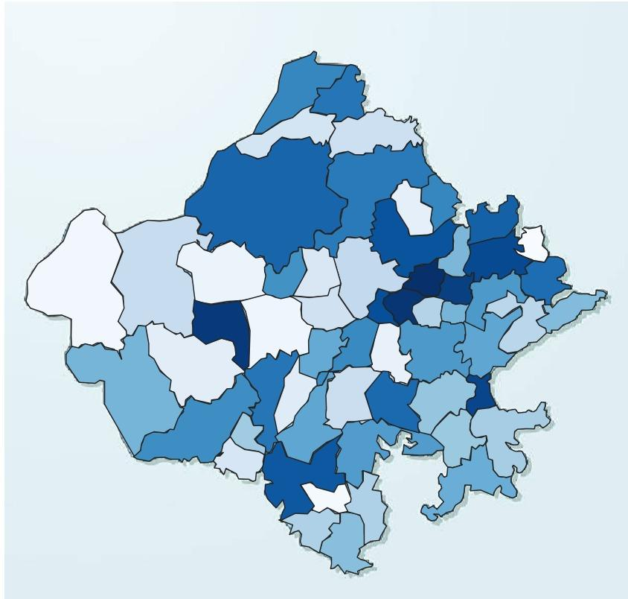
 |  |  |  |  |  |  |  |  |  |  |  |  |  |  |  |  |  | Assumptions: Most of the registered vehicles of an RTO run in that region only and constitute majority of traffic.
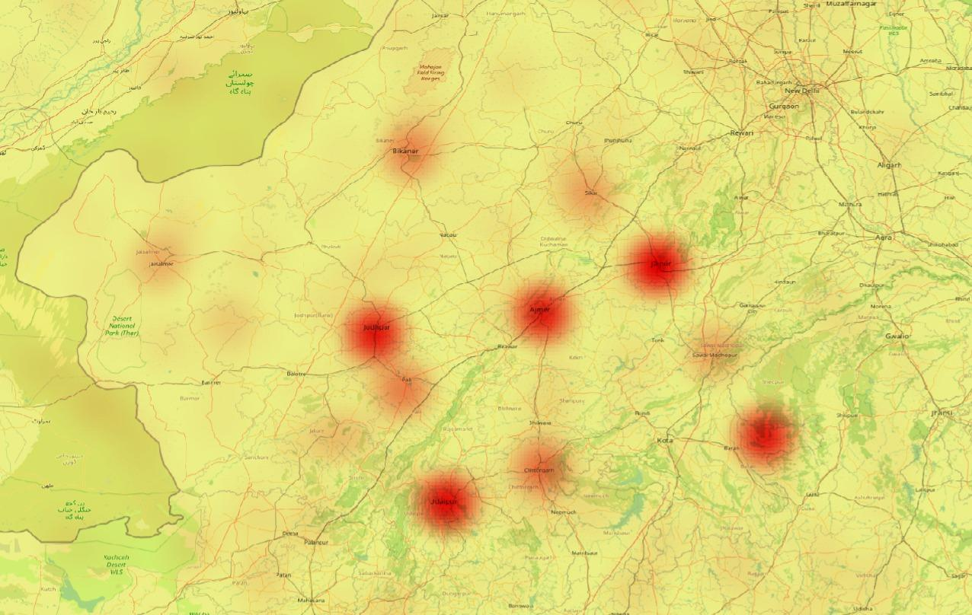

 |  |  | Heat map of current EV stations in Rajasthan
 |  |  | Tool used: QGIS
Heat map of RTO-wise total registered EVs |  |  | Data: https://ev.tatamotors.com/charging-locator.html https://www.mgmotor.co.in/tools/charger-locator https://e-amrit.niti.gov.in/charging-station-locators
Tool used: QGIS

